MEN Apparel
Image | Article | Style Description | Primary Colorway | Gender | Sub Category | Department | Class | Article Fit Type | Fabric | Season | RRP EURO | WSP EURO | Units XS | Units SM | Units MD | Units LG | Units XL | Units XXL | TOTAL
 | 1376791-390 | UA Tech Vent SS | Marine OD Green | Mens | Train | Tops | Short-Sleeves | Loose | BODY: 96% Polyester,4% Elastane | FW24 C/O | 35.00 € | 17.50 € | 0 | 100 | 250 | 100 | 100 | 0 | 550
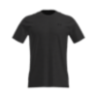 | 1376791-001 | UA Tech Vent SS | Black | Mens | Train | Tops | Short-Sleeves | Loose | BODY: 96% Polyester,4% Elastane | FW24 C/O | 35.00 € | 17.50 € | 0 | 250 | 500 | 384 | 177 | 13 | 1324
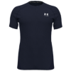 | 1361683-410 | UA HG Armour Fitted SS | Midnight Navy | Mens | Train | Tops | Short-Sleeves | Fitted | BODY: 90% Polyester,10% Elastane | FW24 C/O | 35.00 € | 17.50 € | 0 | 250 | 500 | 500 | 100 | 0 | 1350
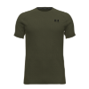 | 1361683-390 | UA HG Armour Fitted SS | Marine OD Green | Mens | Train | Tops | Short-Sleeves | Fitted | BODY: 90% Polyester,10% Elastane | FW24 C/O | 35.00 € | 17.50 € | 0 | 100 | 76 | 31 | 89 | 100 | 396
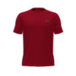 | 1326413-600 | UA Tech 2.0 SS Tee | Red | Mens | Train | Tops | Short-Sleeves | Loose | BODY: 100% Polyester | FW24 C/O | 30.00 € | 15.00 € | 69 | 500 | 500 | 0 | 500 | 0 | 1569
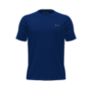 | 1326413-400 | UA Tech 2.0 SS Tee | Royal | Mens | Train | Tops | Short-Sleeves | Loose | BODY: 100% Polyester | FW24 C/O | 30.00 € | 15.00 € | 115 | 500 | 500 | 500 | 500 | 49 | 2164
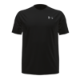 | 1377054-001 | UA Tech Reflective SS | Black | Mens | Train | Tops | Short-Sleeves | Loose | SHELL: 100% Polyester | SS24 C/O | 35.00 € | 17.50 € | 250 | 500 | 500 | 500 | 500 | 500 | 2750
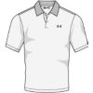 | 1377374-100 | UA Matchplay Polo | White | Mens | Golf | Tops | Short-Sleeve Polos | Loose | BODY: 93% Polyester,7% Elastane | FW24 C/O | 55.00 € | 27.50 € | 0 | 50 | 500 | 500 | 250 | 0 | 1300
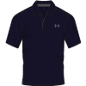 | 1290140-410 | Tech Polo | Midnight Navy | Mens | Golf | Tops | Short-Sleeve Polos | Loose | BODY: 100% Polyester | FW24 C/O | 45.00 € | 22.50 € | 0 | 100 | 500 | 250 | 58 | 0 | 908
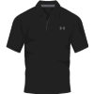 | 1290140-001 | Tech Polo | Black | Mens | Golf | Tops | Short-Sleeve Polos | Loose | BODY: 100% Polyester | FW24 C/O | 45.00 € | 22.50 € | 100 | 95 | 283 | 250 | 0 | 0 | 728
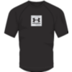 | 1380785-001 | UA Tech Prt Fill SS | Black | Mens | Train | Tops | Short-Sleeve Graph | Loose | BODY: 100% Polyester | SS24 C/O | 35.00 € | 17.50 € | 100 | 500 | 500 | 500 | 500 | 250 | 2350
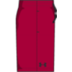 | 1328705-600 | UA Tech Mesh Shorts | Red | Mens | Train | Bottoms | Shorts | Loose | SHELL: 100% Polyester | FW24 C/O | 30.00 € | 15.00 € | 0 | 100 | 250 | 250 | 50 | 0 | 650
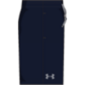 | 1328705-408 | UA Tech Mesh Shorts | Academy | Mens | Train | Bottoms | Shorts | Loose | SHELL: 100% Polyester | FW24 C/O | 30.00 € | 15.00 € | 0 | 250 | 500 | 500 | 100 | 0 | 1350
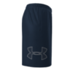 | 1306443-409 | UA TECH GRAPHIC SHORT | Academy | Mens | Train | Bottoms | Shorts | Loose | BODY: 100% Polyester | FW24 C/O | 30.00 € | 15.00 € | 0 | 500 | 500 | 500 | 500 | 500 | 2500
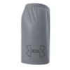 | 1306443-035 | UA TECH GRAPHIC SHORT | Steel | Mens | Train | Bottoms | Shorts | Loose | BODY: 100% Polyester | FW24 C/O | 30.00 € | 15.00 € | 0 | 500 | 500 | 500 | 500 | 1000 | 3000
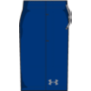 | 1328705-400 | UA Tech Mesh Shorts | Royal | Mens | Train | Bottoms | Shorts | Loose | SHELL: 100% Polyester | SS24 C/O | 30.00 € | 15.00 € | 0 | 250 | 500 | 250 | 100 | 21 | 1121
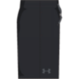 | 1328705-001 | UA Tech Mesh Shorts | Black | Mens | Train | Bottoms | Shorts | Loose | SHELL: 100% Polyester | SS24 C/O | 30.00 € | 15.00 € | 0 | 500 | 500 | 500 | 410 | 0 | 1910
 |  |  |  |  |  |  |  |  |  |  |  |  |  |  |  |  |  |  | 25920

WOMEN Apparel
Image | Article | Style Description | Primary Colorway | Gender | Sub Category | Department | Class | Article Fit Type | Fabric | Season | RRP EURO | WSP EURO | Units XS | Units SM | Units MD | Units LG | Units XL | TOTAL
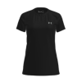 | 1277207-001 | Tech SSC - Solid | Black | Womens | Train | Tops | Short-Sleeves | Loose | BODY: 100% Polyester | Discontinued | 26.00 € | 13.00 € | 500 | 500 | 500 | 500 | 500 | 2500
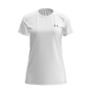 | 1277207-100 | Tech SSC - Solid | White | Womens | Train | Tops | Short-Sleeves | Loose | BODY: 100% Polyester | Discontinued | 26.00 € | 13.00 € | 500 | 500 | 500 | 500 | 500 | 2500
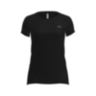 | 1328964-001 | Tech Mesh SS | Black | Womens | Train | Tops | Short-Sleeves | Fitted | BODY: 94% Polyester,6% Elastane | SS24 C/O | 32.00 € | 16.00 € | 500 | 500 | 500 | 100 | 0 | 1600
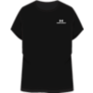 | 1379141-001 | UA Vanish Energy SS 2.0 | Black | Womens | Train | Tops | Short-Sleeves | Loose | BODY: 90% Polyester,10% Elastane | SS24 C/O | 40.00 € | 20.00 € | 250 | 500 | 500 | 250 | 0 | 1500
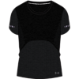 | 1375698-001 | UA Seamless Stride SS | Black | Womens | Run | Tops | Short-Sleeves | Fitted | BODY: 63% Nylon,37% Polyester | SS24 C/O | 50.00 € | 25.00 € | 250 | 500 | 500 | 250 | 50 | 1550
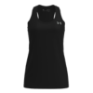 | 1275045-001 | Tech Tank - Solid | Black | Womens | Train | Tops | Sleeveless | Loose | BODY: 100% Polyester | Discontinued | 26.00 € | 13.00 € | 100 | 250 | 250 | 100 | 0 | 700
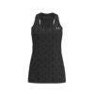 | 1275487-001 | Tech Tank - Twist | Black | Womens | Train | Tops | Sleeveless | Loose | BODY: 100% Polyester | FW23 C/O | 26.00 € | 13.00 € | 500 | 500 | 500 | 500 | 100 | 2100
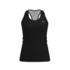 | 1328962-001 | Tech Mesh Racer Tank | Black | Womens | Train | Tops | Sleeveless | Fitted | BODY: 94% Polyester,6% Elastane | AR | 30.00 € | 15.00 € | 500 | 390 | 500 | 500 | 200 | 2090
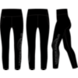 | 1377087-001 | Motion Ankle Leg Branded | Black | Womens | Train | Bottoms | Leggings | Fitted | BODY: 82% Polyester,18% Elastane | SS24 C/O | 60.00 € | 30.00 € | 250 | 500 | 500 | 250 | 0 | 1500
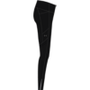 | 1369773-001 | UA Launch Tights | Black | Womens | Run | Bottoms | Leggings | Fitted | BODY: 77% Polyester,23% Elastane | FW24 C/O | 65.00 € | 32.50 € | 250 | 500 | 500 | 500 | 0 | 1750
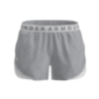 | 1344552-025 | Play Up Shorts 3.0 | True Gray Heather | Womens | Train | Bottoms | Shorts | Loose | BODY: 100% Polyester | Discontinued | 26.00 € | 13.00 € | 500 | 500 | 500 | 500 | 500 | 2500
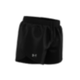 | 1350196-001 | UA Fly By 2.0 Shorts | Black | Womens | Run | Bottoms | Shorts | Loose | COMP1: 100% Polyester | AR | 30.00 € | 15.00 € | 500 | 500 | 500 | 500 | 0 | 2000
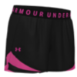 | 1344552-057 | Play Up Shorts 3.0 | Black | Womens | Train | Bottoms | Shorts | Loose | BODY: 100% Polyester | FW24 C/O | 28.00 € | 14.00 € | 250 | 500 | 500 | 250 | 50 | 1550
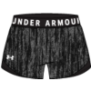 | 1349125-001 | Play Up Twist Shorts 3.0 | Black | Womens | Train | Bottoms | Shorts | Loose | BODY: 100% Polyester | FW24 C/O | 28.00 € | 14.00 € | 500 | 500 | 500 | 500 | 0 | 2000
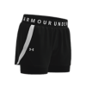 | 1351981-001 | Play Up 2-in-1 Shorts | Black | Womens | Train | Bottoms | Shorts | Loose | BODY: 100% Polyester | FW24 C/O | 35.00 € | 17.50 € | 100 | 500 | 500 | 500 | 100 | 1700
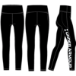 | 1376327-001 | Vanish Branded Legging | Black | Womens | Train | Bottoms | Warmup bottoms | Compression | BODY: 87% Polyester,13% Elastane | SS24 C/O | 55.00 € | 27.50 € | 500 | 500 | 500 | 500 | 500 | 2500
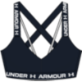 | 1361033-001 | Crossback Low | Black | Womens | Train | Bras | Sport Bras | Compression | BODY: 87% Polyester,13% Elastane | SS24 C/O | 30.00 € | 15.00 € | 250 | 500 | 500 | 500 | 500 | 2250
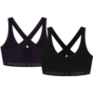 | 1361034-001 | Crossback Mid Bra | Black | Womens | Train | Bras | Sport Bras | Compression | BODY: 87% Polyester,13% Elastane | AR | 35.00 € | 17.50 € | 500 | 500 | 500 | 500 | 0 | 2000
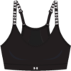 | 1363354-001 | Infinity Covered Low | Black | Womens | Train | Bras | Sport Bras | Fitted | BODY: 87% Polyester,13% Elastane | FW23 C/O | 40.00 € | 20.00 € | 250 | 500 | 500 | 500 | 100 | 1850
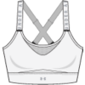 | 1351994-100 | UA Infinity High Bra | White | Womens | Train | Bras | Sport Bras | Fitted | BODY: 87% Polyester,13% Elastane | FW23 C/O | 60.00 € | 30.00 € | 250 | 500 | 500 | 250 | 0 | 1500
 |  |  |  |  |  |  |  |  |  |  |  |  |  |  |  |  |  | 37640

Accessories
Image | Article | Style Description | Primary Colorway | Gender | Sub Category | Department | Class | Article Fit Type | Season | RRP EURO | WSP EURO | OSFA | SM | MD | LG | XL | OSFM | TOTAL
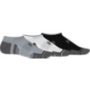 | 1379503-011 | UA Performance Tech 3pk NS | Mod Gray | Adult Unisex | Train | Socks | Low Socks | Regular | FW24 C/O | 12.00 € | 6.00 € | 0 | 0 | 0 | 0 | 500 | 0 | 500
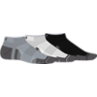 | 1379504-011 | UA Performance Tech 3pk Low | Mod Gray | Adult Unisex | Train | Socks | Low Socks | Regular | FW24 C/O | 12.00 € | 6.00 € | 0 | 0 | 500 | 500 | 500 | 0 | 1500
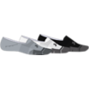 | 1379502-011 | UA Performance Tech 3pk ULT | Mod Gray | Adult Unisex | Train | Socks | Low Socks | Regular | FW24 C/O | 14.00 € | 7.00 € | 0 | 0 | 500 | 500 | 500 | 0 | 1500
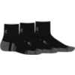 | 1379510-001 | UA Performance Tech 3pk Qtr | Black | Adult Unisex | Train | Socks | Mid Socks | Regular | FW24 C/O | 14.00 € | 7.00 € | 0 | 0 | 500 | 500 | 500 | 0 | 1500
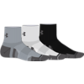 | 1379510-011 | UA Performance Tech 3pk Qtr | Mod Gray | Adult Unisex | Train | Socks | Mid Socks | Regular | FW24 C/O | 14.00 € | 7.00 € | 0 | 0 | 500 | 500 | 100 | 0 | 1100
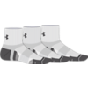 | 1379510-100 | UA Performance Tech 3pk Qtr | White | Adult Unisex | Train | Socks | Mid Socks | Regular | FW24 C/O | 14.00 € | 7.00 € | 0 | 0 | 500 | 500 | 500 | 0 | 1500
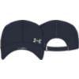 | 1361562-001 | Isochill Launch Run | Black | Mens | Run | Headwear | Caps | One Size Fits Most | FW23 C/O | 28.00 € | 14.00 € | 0 | 0 | 0 | 0 | 0 | 500 | 500
 | 1369805-001 | Iso-chill Driver Mesh Adj | Black | Mens | Golf | Headwear | Caps | One Size Fits Most | SS24 C/O | 28.00 € | 14.00 € | 0 | 0 | 0 | 0 | 0 | 500 | 500
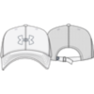 | 1369805-104 | Iso-chill Driver Mesh Adj | White | Mens | Golf | Headwear | Caps | One Size Fits Most | FW23 C/O | 28.00 € | 14.00 € | 0 | 0 | 0 | 0 | 0 | 0 | 0
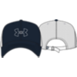 | 1369805-410 | Iso-chill Driver Mesh Adj | Midnight Navy | Mens | Golf | Headwear | Caps | One Size Fits Most | FW23 C/O | 28.00 € | 14.00 € | 0 | 0 | 0 | 0 | 0 | 500 | 500
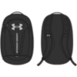 | 1361176-001 | UA Hustle 5.0 Backpack | Black | Unisex | Train | Bags | Backpacks | One Size Fits All | SS24 C/O | 55.00 € | 27.50 € | 500 | 0 | 0 | 0 | 0 | 0 | 500
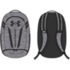 | 1361176-002 | UA Hustle 5.0 Backpack | Black | Unisex | Train | Bags | Backpacks | One Size Fits All | SS24 C/O | 55.00 € | 27.50 € | 500 | 0 | 0 | 0 | 0 | 0 | 500
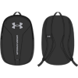 | 1364180-001 | UA Hustle Lite Backpack | Black | Unisex | Train | Bags | Backpacks | One Size Fits All | FW24 C/O | 35.00 € | 17.50 € | 500 | 0 | 0 | 0 | 0 | 0 | 500
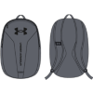 | 1364180-012 | UA Hustle Lite Backpack | Pitch Gray | Unisex | Train | Bags | Backpacks | One Size Fits All | FW24 C/O | 35.00 € | 17.50 € | 500 | 0 | 0 | 0 | 0 | 0 | 500
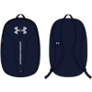 | 1364180-410 | UA Hustle Lite Backpack | Midnight Navy | Unisex | Train | Bags | Backpacks | One Size Fits All | FW24 C/O | 35.00 € | 17.50 € | 500 | 0 | 0 | 0 | 0 | 0 | 500
 | 1364181-012 | UA Hustle Sport Backpack | Pitch Gray Medium Heather | Unisex | Train | Bags | Backpacks | One Size Fits All | FW24 C/O | 45.00 € | 22.50 € | 500 | 0 | 0 | 0 | 0 | 0 | 500
 | 1240539-412 | UA Ozsee Sackpack | Midnight Navy | Unisex | Train | Bags | Sackpacks | One Size Fits All | FW24 C/O | 15.00 € | 7.50 € | 500 | 0 | 0 | 0 | 0 | 0 | 500
 | 1369220-012 | UA Undeniable Sackpack | Pitch Gray Medium Heather | Unisex | Train | Bags | Sackpacks | One Size Fits Most | FW24 C/O | 20.00 € | 10.00 € | 0 | 0 | 0 | 0 | 0 | 250 | 250
 | 1369802-001 | Iso-chill Driver Mesh Adj | Black | Womens | Golf | Headwear | Caps | One Size Fits Most | SS24 C/O | 28.00 € | 14.00 € | 0 | 0 | 0 | 0 | 0 | 500 | 500
 |  |  |  |  |  |  |  |  |  |  |  |  |  |  |  |  |  | 13350

